RE Guidance
GUIDANCE FOR REPORTING RENEWABLE ENERGY GENERATION AS ENERGY CONSUMPTION

The following scenarios apply to renewable energy systems that are interconnected to the electric grid. It is possible that more than one scenario applies to the same renewable energy system; for example, a solar PV system may generate less energy than its building uses in the winter (scenario 1), but generate more energy than its building uses in the summer (scenario 2). Ideally, calculations should be done for each month.

1) Do you have Conventional Net Metering?
If yes, see RE Scenario 1 and RE Scenario 2

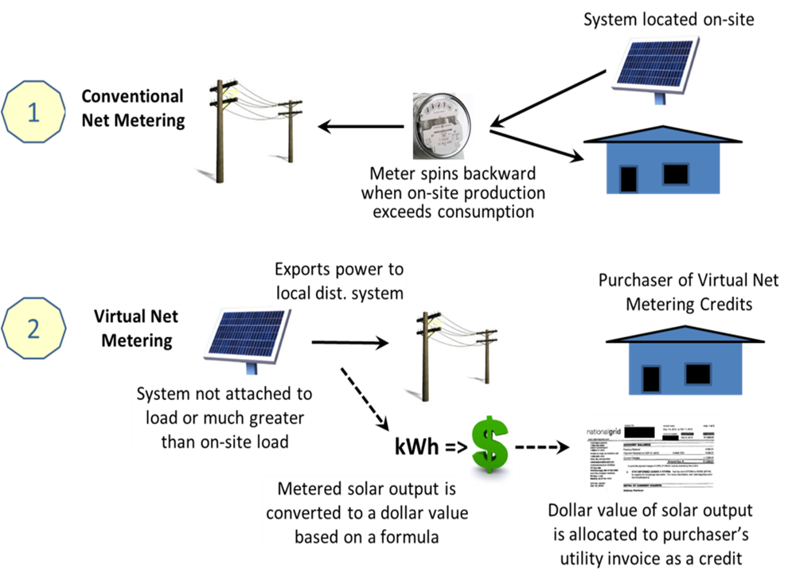

2) Do you have Virtual Net Metering?
If yes, see RE Scenario 3

3) Do you live in an MLP?
If yes, see RE Scenario 4

RE Scenario 1: Conventional Net Metering, System Generation < Building Use = Importing Power

If the building uses more electricity than the RE system generates, your electric meter registers postitive. The building is importing power from the electric company. Then a Green Community should add in the amount of RE generation. This means the total building energy use = total kWh on electric bill + kWh generated by RE.

For example:
Total Grid Electricity on electric bill (kWh): 3,000
Total Net Metering Credits on electric bill (kWh): 0
Total generated by the RE system (kWh): +7,000
Total building use (kWh): 10,000

Find and Calculate: Find the kWh generated each month from your RE system. Contact your Regional Coordinator if you are having trouble finding the kWh generated each month.

Action: Load the building renewable energy usage into MassEnergyInsight. Create a separate account for each RE system at each building. Load the RE generation for each month by going to “Upload a Spreadsheet.” Choose “solar electric” or “wind power.” Upload your usage data. If not using MassEnergyInsight, report to DOER in your Annual Report .

RE Scenario 2: Conventional Net Metering, System Generation > Building Use = Exporting Power

If the RE system generates more electricity than the building uses your electric meter registers negative. The RE system is exporting power to the electric company. Then a Green Community should not add in the amount of generation over and above what the building used. This means the total building energy use = kWh generated by RE – kWh credited to electric bill for net metering.
** Contact your Regional Coordinator if you have negative use on your electric bill **


For example:
Total Grid Electricity on electric bill (kWh): 0
Total Net Metering Credits on electric bill (kWh): -1,000
Total generated by the RE system (kWh): +7,000
Total building use (kWh): 6,000

For help locating net metering credits on your electric bill go to:
https://www.nationalgridus.com/non_html/MA_DG_First_Bill.pdf
https://www.eversource.com/Content/ema-e/residential/programs-services/interconnections-net-metering/net-metering-faq

Find and Calculate: Find the total kWh generated each month from your RE system. Find the net metering credits in kWh applied to your electric bill each month. Subtract the net metering credits in kWh from the total RE generated. This is your building’s NET use of renewable energy generated. Contact your Regional Coordinator if you are having trouble finding the KWh generated and credited each month.

Action: Load the NET building renewable energy usage into MassEnergyInsight. Create a separate account for each RE system for each building. Load the RE generation for each month by going to “Upload a Spreadsheet.” Choose “solar electric” or “wind power.” Upload your usage data. Or, report to DOER in your Annual Report.

RE Scenario 3: Virtual Net Metering

If a building is virtually net metered, in which the RE system has its own separate meter but the financial credits are applied to a different building, then the actual amount of electricity use of the building will be on its electric bill. For example, a municipality may have built a solar PV array on a closed landfill. The PV system has a meter but does not link to any buildings that consume a substantial amount of energy. (The PV system will be linked to its inverter and perhaps to a small shed or security lights.) The financial value of the electricity that is generated by the landfill solar PV system is applied to an account for electric use at the town hall and to an account for electric use at the library. The electric bills for the town hall and library thus will show the amount of electricity that is actually used by those buildings, but only charge for the amount of electricity above and beyond what was generated by the solar PV system on the landfill. See DOER’s Net Metering page for more details on credits for renewable generation.

Information Needed: Written confirmation of virtual net metering documenting there is a separate meter used for the RE system with only a small load-side usage. The load-side usage should be reported to MassEnergyInsight under Scenario 2 above.

Action: Generation does not impact baseline and should NOT be loaded into MassEnergyInsight. Provide information needed as noted above. Report load-side usage under Scenario 2 above.

RE Scenario 4: RE Generation to Control Rates (for MLPs)

If an MLP uses its RE generation to control its system-wide rates and does not use the RE for a specific municipal building, either directly or through virtual net metering, then the amount of RE generation does not need to be included.

Information Needed: Written confirmation of RE generation for system-wide benefit with no virtual net metering. The load-side usage should be reported to MassEnergyInsight under Scenario 2 above.

Action: Generation does not impact baseline and should NOT be loaded into MassEnergyInsight. Provide information needed as noted above.

